Sheet1
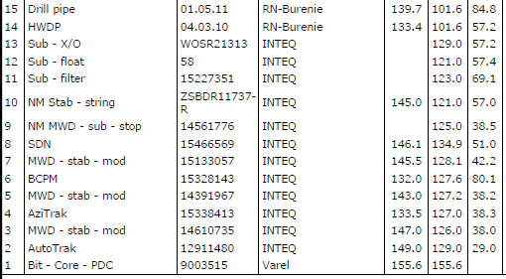
BHA | ATK+OTK+LTK
 | Gauge | OD | ID | Lengh
Bit | 155.600 | 127.000 | 117.350 | 4.460 | 4.460
Stab1 | 149.500 | 123.950 | 63.500 | 8.110 | 12.570
Stab2 | 144.900 | 133.350 | 88.390 | 4.190 | 16.760
Stab3 | 144.600 | 133.350 | 89.410 | 2.660
Stab4 | 149.050 | 133.350 | 88.900 | 3.560 | 22.980
Stab5 | 145.500 | 101.600 | 57.200 | 100.000

BHA | ATK+AOA+LTK
Bit | 155.600 | 133.350 | 112.780 | 4.440 | 4.440
Stab1 | 147.000 | 127.000 | 71.120 | 4.080
Stab2 | 135.640 | 127.000 | 57.910 | 4.070 | 12.590
Stab3 | 143.000 | 127.000 | 70.610 | 4.180 | 16.770
Stab4 | 145.500 | 133.350 | 89.410 | 2.660
Stab5 | 146.050 | 133.350 | 88.900 | 3.335 | 22.765
Stab6 | 145.000 | 101.600 | 57.200 | 100.000

